Data summary
Hotspot analysis - G-GAF V11.0
Grains Greenhouse Accounting Tool
Crop | Wheat | Tuber and Roots | Sorghum | Oilseeds | Hops |  | Summary of Scope 1 | t CO2e/farm
Outputs | t CO2e/farm | t CO2e/farm | t CO2e/farm | t CO2e/farm | t CO2e/farm | total t CO2e/farm
Scope 1 Emissions (on-farm) |  |  |  |  |  |  |  |  |  | Wheat | Tuber and Roots | Sorghum | Hops | Total
CO2 - Fuel | 1.7 | 1.9 | 2.5 | 0.6 | 0.7 | 7.5 | CO2 | 528 | Fuel | 1.70 | 1.94 | 2.55 | 0.71 | 7.54
CO2 - Lime | 99.0 | 39.6 | 99.0 | 158.4 | 59.4 | 455.4 | CH4 | 50 | Fertiliser | 68.28 | 18.97 | 14.50 | 22.23 | 185.18
CO2 - Urea | 19.0 | 6.4 | 8.0 | 20.1 | 12.2 | 65.5 | N2O | 437 | Field burning | 67.72 | 0.00 | 0.00 | 0.00 | 67.72
CH4 - Field burning | 49.7 | 0.0 | 0.0 | 0.0 | 0.0 | 49.7 |  |  | Crop residues | 30.19 | 0.38 | 18.55 | 19.91 | 267.19
CH4 - Fuel | 0.002 | 0.002 | 0.003 | 0.001 | 0.001 | 0.009 |  |  | Indirect N2O | 24.39 | 1.39 | 0.72 | 1.11 | 32.13
N2O - Fertiliser | 49.3 | 12.6 | 6.5 | 41.1 | 10.1 | 119.6 |  |  | Electricity | 1 | 1 | 1 | 0 | 3
N2O - Atmospheric Deposition | 5.4 | 1.4 | 0.7 | 4.5 | 1.1 | 13.2 |  |  | Pre-Farm | 60 | 22 | 37 | 39 | 235
N2O - Field Burning | 18.0 | 0.0 | 0.0 | 0.0 | 0.0 | 18.0
N2O - Crop Residues | 30.2 | 0.4 | 18.6 | 198.2 | 19.9 | 267.2
N2O - Leaching and Runoff | 19.0 | 0.0 | 0.0 | 0.0 | 0.0 | 19.0
N2O - Fuel | 0.0 | 0.0 | 0.0 | 0.0 | 0.0 | 0.0
Scope 1 Total | 291 | 62 | 135 | 423 | 103 | 1,015

Scope 2 Emissions (off-farm)
Electricity | 0.5 | 1.1 | 0.5 | 0.3 | 0.3 | 2.7
Scope 2 Total | 0.5 | 1.1 | 0.5 | 0.3 | 0.3 | 2.7

Scope 3 Emissions (pre-farm)
Fertiliser | 50.6 | 17.9 | 26.9 | 61.5 | 33.1 | 190.1
Herbicides/pesticides | 0.3 | 0.4 | 0.2 | 0.7 | 0.3 | 1.9
Electricity | 0.0 | 0.1 | 0.0 | 0.0 | 0.0 | 0.2
Fuel | 0.4 | 0.5 | 0.6 | 0.2 | 0.2 | 1.9
Lime | 8.9 | 3.6 | 8.9 | 14.3 | 5.4 | 41.1
Citation:
Lopez M.B., Ekonomou A., Eckard R.J., Kotz P. (2025). A Greenhouse Accounting Framework for crop production (G-GAF) based on the Australian National Greenhouse Gas Inventory methodology. Updated March 2025 http://www.piccc.org.au/resources/Tools
Scope 3 Total | 60 | 22 | 37 | 77 | 39 | 235

Carbon Sequestration
Carbon sequestration in trees | -41.0 | -41.0 | -41.0 | -41.0 | -41.0 | -204.8

Net Farm Emissions | 311 | 45 | 132 | 459 | 102 | 1,048

Emissions intensity
Crop excl. sequestration | 0.23 | 0.17 | 0.17 | 0.10 | 0.12 | t CO2-e/t crop
Crop inc. sequestration | 0.21 | 0.09 | 0.13 | 0.10 | 0.08 | t CO2-e/t crop

Urea Application
Carbon dioxide emissions from Urea Application

Data input | Wheat | Tuber and Roots | Sorghum | Oilseeds | Hops | Units | Inventory reference | Revised Reference | Comment | Revised Reference (2020) | Revised Reference (2022) | Comment

Production system | Non-Irrigated Crop | Irrigated Crop | Non-Irrigated Crop | Irrigated Crop | Non-Irrigated Crop
Area sown | 500 | 200 | 500 | 800 | 300 | ha/farm
Urea application | 50 | 40 | 20 | 30 | 50 | kg Urea/ha
Urea-Ammonium Nitrate (UAN) | 1.8 | 3.5 | 1.8 | 4.2 | 5.3 | kg Urea/ha |  |  |  | Added UAN
Total Urea applied | 52 | 44 | 22 | 34 | 55 | kg Urea/ha

Total mass of fertiliser TM | 25.9 | 8.7 | 10.9 | 27.4 | 16.6 | t Urea

Mass of fertiliser appplied (M) | M = (M x EF x C)/1000 |  |  |  |  |  |  | 3H_1 | New equation | No change | 3.H_1 | No change
 | TM = Mass of Urea applied to soils
 | EF = | 0.20
 | C = | 3.67
 | 0.019 | 0.006 | 0.008 | 0.020 | 0.012 | Gg CO2e

Total | 0.07 |  |  |  |  | Gg CO2e

Total | 65.55 |  |  |  |  | t CO2-e

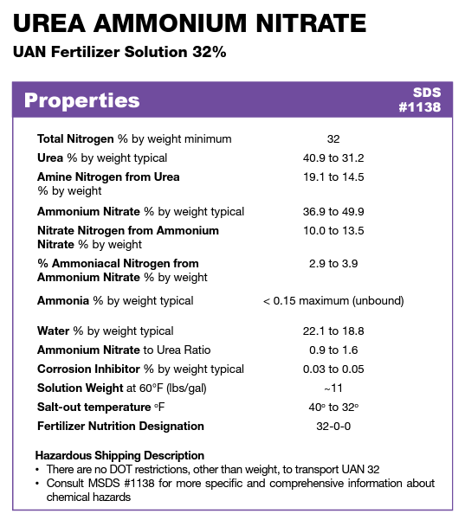

Sources:
Simplot UAN 32
UAN fertilizer solution

