Summary - Combined
HOTSPOT ANALYSIS
Greenhouse Gas Emissions - Wild Catch Fishery & Processing, Manufacturing and Packaging
COMMODITY |  | Summary of Scope 1 | t CO2e
Outputs | t CO2e/ Fishery
Scope 1 Emissions - Wild Catch Fishery |  |  |  |  | Combined | Percentage
CO2 - Fuel | 0.00 | CO2 | 15.08 | Fuel (Scope 1) | 0.10 | 0%
CO2 - Wastewater | 0.00 | CH4 | 0.03 | Electricity (Scope 2) | 1.76 | 1%
CO2 - Composted Solid Waste | 0.00 | N2O | 0.07 | Scope 3 | 183 | 70%
CH4 - Fuel | 0.00 | HFCs | 102.62 | Purchased CO2 | 0.00 | 0%
N2O - Fuel | 0.00 |  |  | Solid Waste (Scope 1) | 1.84 | 1%
HFCs - Refrigerant Leakage | 40.62 |  |  | Wastewater | 13.24 | 5%
Breakdown of Scope 1 GHGs
Scope 1 Total - Wild Catch Fishery | 40.62 |  |  | Refrigerant | 62.00 | 24%
 |  |  |  | Total | 261.91 | 100%
Scope 1 Emissions - Processing, Manufacturing and Packaging | t CO2e/operation
CO2 - Fuel | 0.00
CH4 - Fuel | 0.03
N2O - Fuel | 0.07
HFCs - Refrigerant Leakage | 62.00
Purchased CO2 | 0.00
CO2 - Wastewater | 13.24
CO2 - Composted Solid Waste | 1.84
Scope 1 Total - Processing, Manufacturing and Packaging | 77.18
Scope 1 Total | 117.80

Scope 2 Emissions (off-site)
Electricity - Wild Catch Fishery | 0.99
Electricity - Processing, Manufacturing and Packaging | 0.77
Scope 2 Total | 1.76

Scope 3 Emissions - Wild Catch Fishery
Pre-fishery
Purchased Bait | 22.83
Electricity | 0.06
Fuel | 0.00
Commercial flights | 0.00
Freight - pre fishery | 0.00
Citation:
Lopez M.B., Eckard R.J., Kotz P. (2025). A Greenhouse Accounting Framework for Wild Sea fisheries (WF-GAF) based on the Australian National Greenhouse Gas Inventory methodology. Updated July 2025 http://www.piccc.org.au/resources/Tools
Aknowledgement: We would like to acknowledge that the F&A-GAF tool follows the original Blue tool calculator structure, developed by the Fisheries Research and Development Corporation (FRDC). We express our gratitude for their contributions.
Post-fishery
Freight - post fishery | 0.00
Solid waste sent offsite | 0.00
Scope 3 Total - Wild Catch Fishery | 22.89

Scope 3 Emissions - Processing, Manufacturing and Packaging
Pre-operation
Electricity | 0.09
Fuel | 0.00
Post-operation
Solid Waste | 160.00
Scope 3 Total - Processing, Manufacturing and Packaging | 160.09
Scope 3 Total | 182.98

Carbon Sequestration
Carbon sequestration in trees - Wild Catch Fishery | 438.93
Purchased offsets - Wild Catch Fishery | 100.00
Purchased offsets - Processing, Manufacturing and Packaging | 400.00

Net Combined Emissions | -636

Commodity | Wild Catch Fishery
Location type | Fishery

Summary - Fishery
sUMMARY HotSPOT by SOURCE
Wild Catch Fishery Greenhouse Accounting Tool
Enterprise | Fishery: Longline |  | Summary of Scope 1 | t CO2e/fishery |  | Fishery: Longline | Percent
Outputs | t CO2e/fishery |  |  |  | Fuel (Scope 1) | 0.00 | 0.00
Scope 1 Emissions (on-fishery) |  |  | CO2 | 0.00 | Fuel (Scope 3) | 0.00 | 0.00
CO2 - Fuel | 0.00 | t CO2-e | CH4 | 0.00 | Electricity (Scope 2) | 0.99 | 0.02
CH4 - Fuel | 0.00 | t CO2-e | N2O | 0.00 | Electricity (Scope 3) | 0.06 | 0.00
N2O - Fuel | 0.00 | t CO2-e | HFCs | 40.62 | Purchased Bait | 22.83 | 0.35
CO2 - Wastewater | 0.00 | t CO2-e |  |  | Waste water (scope 1) | 0.00 | 0.00
CO2 - Composted Solid Waste | 0.00 | t CO2-e |  |  | Composted soild waste (scope 1) | 0.00 | 0.00
Breakdown of Scope 1 GHGs
HFCs - Refrigerant Leakage | 40.62 | t CO2-e |  |  | Refrigerant HFCs | 40.62 | 0.63
Scope 1 Total | 40.62 | t CO2-e |  |  | Commercial flights | 0 | 0.00
 |  |  |  |  | Freight | 0 | 0.00
Scope 2 Emissions (off-fishery)
Electricity | 0.99000 | t CO2-e |  |  | Total | 64.50
Scope 2 Total | 0.99000 | t CO2-e

Scope 3 Emissions
Pre-fishery
Purchased Bait | 22.83 | t CO2-e
Electricity | 0.06 | t CO2-e
Fuel | 0.00 | t CO2-e
Commercial flights | 0.00 | t CO2-e
Freight - pre fishery | 0.00 | t CO2-e
Post-fishery
Freight - post fishery | 0.00 | t CO2-e
Solid waste sent offsite | 0.00 | t CO2-e
Scope 3 Total | 22.88700 | t CO2-e

Offsets and sequestration
Carbon sequestration in trees | 438.93 | t CO2-e
Carbon off-set purchased | 100.00 | t CO2-e

Net Fishery Emissions | -35.50 | t CO2-e

Emissions intensity (incl/ carbon off-set) | -6.34 | t CO2-e/t product caught
Emissions intensity (excl/ carbon offset) | 11.52 | t CO2-e/t product caught

Summary - Processing
Greenhouse Gas Emissions - Processing, Manufacturing and Packaging
Hotspot analysis - MANUFACTURING, PROCESSING AND PACKAGING
Enterprise | Product 1: Tuna fllets | Product 2: | Product 3: | Product 4: | Unallocated processing emissions | Total |  | Summary of Scope 1 | t CO2e/operation |  | Combined | Percent
Outputs | t CO2e/operation | t CO2e/operation | t CO2e/operation | t CO2e/operation | t CO2e/operation |  |  |  |  | Fuel (Scope 1) | 0.10 | 0.04%
Scope 1 Emissions |  |  |  |  |  |  |  | CO2 | 15.08 | Fuel (Scope 3) | 0.00 | 0.00%
CO2 - Fuel | 0.00 | 0.00 | 0.00 | 0.00 | 0.00 | 0.00 | t CO2-e | CH4 | 0.03 | Electricity (Scope 2) | 0.77 | 0.32%
CH4 - Fuel | 0.03 | 0.00 | 0.00 | 0.00 | 0.00 | 0.03 | t CO2-e | N2O | 0.07 | Electricity (Scope 3) | 0.09 | 0.04%
N2O - Fuel | 0.07 | 0.00 | 0.00 | 0.00 | 0.00 | 0.07 | t CO2-e | HFCs | 62.00 | HCFs | 62.00 | 26.05%
Breakdown of Scope 1 GHGs
HFCs - Refrigerant Leakage | 62.00 | 0.00 | 0.00 | 0.00 | 0.00 | 62.00 | t CO2-e |  |  | Purchased CO2 | 0.00 | 0.00%
Purchased CO2 | 0.00 | 0.00 | 0.00 | 0.00 | 0.00 | 0.00 | t CO2-e |  |  | Wastewater | 13.24 | 5.56%
CO2 - Wastewater | 13.24 | 0.00 | 0.00 | 0.00 | 0.00 | 13.24 | t CO2-e |  |  | Composted solid waste | 1.84 | 0.77%
CO2 - Composted Solid Waste | 1.84 | 0.00 | 0.00 | 0.00 | 0.00 | 1.84 | t CO2-e |  |  | Solid waste (Scope 3) | 160.00 | 67.22%
Scope 1 Total | 77.17651 | 0.00000 | 0.00000 | 0.00000 | 0.00000 | 77.18 | t CO2-e
 |  |  |  |  |  |  |  |  |  | Total | 238.04
Scope 2 Emissions
Electricity | 0.77000 | 0.00000 | 0.00000 | 0.00000 | 0.00000 | 0.77 | t CO2-e
Scope 2 Total

Scope 3 Emissions
Pre-operation
Electricity | 0.09 | 0.00 | 0.00 | 0.00 | 0.00 | 0.09 | t CO2-e
Fuel | 0.00 | 0.00 | 0.00 | 0.00 | 0.00 | 0.00 | t CO2-e
Post-operation
Solid waste sent offsite | 160.00 | 0.00 | 0.00 | 0.00 | 0.00 | 160.00 | t CO2-e
Scope 3 Total | 160.09000 | 0.00000 | 0.00000 | 0.00000 | 0.00000 | 160.09 | t CO2-e

Purchased off-sets
Carbon off-set purchased | 100.00 | 100.00 | 100.00 | 100.00 | n/a | 400.00 | t CO2-e

Net Emissions | 138.04 | -100.00 | -100.00 | -100.00 | 0.00 | -161.96 | t CO2-e

Emissions intensity (incl/ carbon off-set) | 13.80365 | 0.00 | 0.00 | 0.00
Emissions intensity (excl/ carbon offset) | 23.803651 | 0.00 | 0.00 | 0.00
 | t CO2-e/tonne | t CO2-e/ | t CO2-e/ | t CO2-e/

Transport and fuel
Fuel - Stationary - Commodity |  |  |  |  |  |  |  |  |  |  |  |  |  |  |  |  | Fuel - Transport - Commodity
Product 1
Fuel type |  | Quantity L/year | Quantity kL/year | Scope 1 emissions t CO2-e |  |  |  | Scope 3 Emissions t CO2-e | Total fuel emissions t CO2-e |  |  |  |  |  |  |  | Emissions from consumption of transport fuels
 |  |  |  | CO2 | CH4 | N2O | Total | Total |  |  |  |  |  |  |  |  |  |  |  |  |  |  |  |  |  |  | Table 9. Direct (Scope 1) and indirect (Scope 3) emissions factors for the consumption of transport fuels
Petrol |  | 0 | 0 | 0.00000 | 0.00000 | 0.00000 | 0.00000 | 0.00000 | 0.00000 |  |  |  |  |  |  |  |  | E = (Q x EC x EF)/1000 |  |  |  |  |  |  |  |  | Source: August 2023 NGA Factors Workbook DCCEEW.gov.au
Diesel |  | 0 | 0 | 0.00000 | 0.00000 | 0.00000 | 0.00000 | 0.00000 | 0.00000
Liquefied petroleum gas (LPG) |  | 0 | 0 | 0.00000 | 0.00000 | 0.00000 | 0.00000 | 0.00000 | 0.00000 |  |  |  |  |  |  |  |  | E = Emissions of gas type from fuel type
Ethanol |  | 0 | 0 | 0.00000 | 0.00000 | 0.00000 | 0.00000 | 0.00000 | 0.00000 |  |  |  |  |  |  |  |  | Q = Quantity of fuel type combusted for transport
Biodiesel |  | 0 | 0 | 0.00000 | 0.00000 | 0.00000 | 0.00000 | 0.00000 | 0.00000 |  |  |  |  |  |  |  |  | EC = Energy content factor of fuel type
Renewable diesel |  | 0 | 0 | 0.00000 | 0.00000 | 0.00000 | 0.00000 | 0.00000 | 0.00000 |  |  |  |  |  |  |  |  | EF = Emission factor for each gas type
Other biofuels |  | 0 | 0 | 0.00000 | 0.00000 | 0.00000 | 0.00000 | 0.00000 | 0.00000
Liquified natural gas (LNG) |  | 0 | 0 | 0.00000 | 0.00000 | 0.00000 | 0.00000 | 0.00000 | 0.00000
Natural Gas |  | 0 | 0 | 0.00000 | 0.00000 | 0.00000 | 0.00000 | 0.00000 | 0.00000 |  |  |  |  |  |  |  | Transport - Direct
Total |  |  |  | 0.00 | 0.00 | 0.00 | 0.00 | 0.00 | 0.00 |  |  |  |  |  |  |  | Fuel type |  | Quantity L/year | Quantity kL/year | Scope 1 emissions t CO2-e |  |  |  | Scope 3 Emissions t CO2-e | Total fuel emissions t CO2-e
 |  |  |  |  |  |  |  |  |  |  |  |  |  |  |  |  |  |  |  |  | CO2 | CH4 | N2O | Total | Total
Fuel - Stationary - Processing |  |  |  |  |  |  |  |  |  |  |  |  |  |  |  |  | Petrol |  | 0.00 | 0.0000 | 0.00000 | 0.00000 | 0.00000 | 0.00 | 0.000000 | 0.00
Product 1 |  |  |  |  |  |  |  |  |  |  |  |  |  |  |  |  | Diesel |  | 0.00 | 0.0000 | 0.00000 | 0.00000 | 0.00000 | 0.00 | 0.000000 | 0.00
Fuel type |  | Quantity L/year | Quantity kL/year | Scope 1 emissions t CO2-e |  |  |  | Scope 3 Emissions t CO2-e | Total fuel emissions t CO2-e |  |  |  |  |  |  |  | Liquefied petroleum gas (LPG) |  | 0.00 | 0.0000 | 0.00000 | 0.00000 | 0.00000 | 0.00 | 0.000000 | 0.00
 |  |  |  | CO2 | CH4 | N2O | Total | Total |  |  |  |  |  |  |  |  | Fuel oil |  | 0.00 | 0.0000 | 0.00000 | 0.00000 | 0.00000 | 0.00 | 0.000000 | 0.00
Petrol |  | 0 | 0 | 0.00000 | 0.00000 | 0.00000 | 0.00000 | 0.00000 | 0.00000 |  |  |  |  |  |  |  | Ethanol |  | 0.00 | 0.0000 | 0.00000 | 0.00000 | 0.00000 | 0.00 | 0.000000 | 0.00
Diesel |  | 0 | 0 | 0.00000 | 0.00000 | 0.00000 | 0.00000 | 0.00000 | 0.00000 |  |  |  |  |  |  |  | Biodiesel |  | 0.00 | 0.0000 | 0.00000 | 0.00000 | 0.00000 | 0.00 | 0.000000 | 0.00
Liquefied petroleum gas (LPG) |  | 0 | 0 | 0.00000 | 0.00000 | 0.00000 | 0.00000 | 0.00000 | 0.00000 |  |  |  |  |  |  |  | Renewable diesel |  | 0.00 | 0.0000 | 0.00000 | 0.00000 | 0.00000 | 0.00 | 0.000000 | 0.00
Ethanol |  | 0 | 0 | 0.00000 | 0.00000 | 0.00000 | 0.00000 | 0.00000 | 0.00000 |  |  |  |  |  |  |  | Other biofuels |  | 0.00 | 0.0000 | 0.00000 | 0.00000 | 0.00000 | 0.00 | 0.000000 | 0.00
Biodiesel |  | 10000 | 10 | 0.00000 | 0.02768 | 0.06920 | 0.09688 | 0.00000 | 0.09688 |  |  |  |  |  |  |  | Liquified natural gas (LNG) |  | 0.00 | 0.0000 | 0.00000 | 0.00000 | 0.00000 | 0.00 | 0.000000 | 0.00
Renewable diesel |  | 0 | 0 | 0.00000 | 0.00000 | 0.00000 | 0.00000 | 0.00000 | 0.00000 |  |  |  |  |  |  |  | Jet A-1 |  | 0.00 | 0.0000 | 0.00000 | 0.00000 | 0.00000 | 0.00 | 0.000000 | 0.00
Other biofuels |  | 0 | 0 | 0.00000 | 0.00000 | 0.00000 | 0.00000 | 0.00000 | 0.00000 |  |  |  |  |  |  |  | Jet B |  | 0.00 | 0.0000 | 0.00000 | 0.00000 | 0.00000 | 0.00 | 0.000000 | 0.00
Liquified natural gas (LNG) |  | 0 | 0 | 0.00000 | 0.00000 | 0.00000 | 0.00000 | 0.00000 | 0.00000 |  |  |  |  |  |  |  | Avgas |  | 0.00 | 0.0000 | 0.00000 | 0.00000 | 0.00000 | 0.00 | 0.000000 | 0.00
Natural Gas |  | 0 | 0 | 0.00000 | 0.00000 | 0.00000 | 0.00000 | 0.00000 | 0.00000
Total |  |  |  | 0.00 | 0.03 | 0.07 | 0.10 | 0.00 | 0.10 |  |  |  |  |  |  |  | Total - Land transport - Direct |  | 0.00 | 0.0000 | 0.00 | 0.0000 | 0.00 | 0.00 | 0.00 | 0.00

Product 2 |  |  |  |  |  |  |  |  |  |  |  |  |  |  |  |  |  |  | kg CO2-e/PAX km | Total km |  |  |  |  | Scope 3 Emissions t CO2-e |  | Climate Active. Quantas public disclosure statement. Year 9 (2021-22)
Fuel type |  | Quantity L/year | Quantity kL/year | Scope 1 emissions t CO2-e |  |  |  | Scope 3 Emissions t CO2-e | Total fuel emissions t CO2-e |  |  |  |  |  |  |  | Total - Aircraft transport |  | 0.101 | 0 |  |  |  |  | 0.000 | t CO2 | Source: https://www.climateactive.org.au/buy-climate-active/certified-members/qantas
 |  |  |  | CO2 | CH4 | N2O | Total | Total
Petrol |  | 0 | 0 | 0.00000 | 0.00000 | 0.00000 | 0.00000 | 0.00000 | 0.00000
Diesel |  | 0 | 0 | 0.00000 | 0.00000 | 0.00000 | 0.00000 | 0.00000 | 0.00000
Liquefied petroleum gas (LPG) |  | 0 | 0 | 0.00000 | 0.00000 | 0.00000 | 0.00000 | 0.00000 | 0.00000 |  |  |  |  |  |  |  | Freight - Post farm
Ethanol |  | 0 | 0 | 0.00000 | 0.00000 | 0.00000 | 0.00000 | 0.00000 | 0.00000 |  |  |  |  |  |  |  | Freight type |  | Quantity tonne-km/year |  |  |  |  | Scope 3 EF | Scope 3 Emissions t CO2-e
Biodiesel |  | 0 | 0 | 0.00000 | 0.00000 | 0.00000 | 0.00000 | 0.00000 | 0.00000 |  |  |  |  |  |  |  | Transport in truck |  | 0 |  |  |  |  | 0.079875 | 0
Renewable diesel |  | 0 | 0 | 0.00000 | 0.00000 | 0.00000 | 0.00000 | 0.00000 | 0.00000 |  |  |  |  |  |  |  | Rail |  | 0 |  |  |  |  | 0.038 | 0
Other biofuels |  | 0 | 0 | 0.00000 | 0.00000 | 0.00000 | 0.00000 | 0.00000 | 0.00000 |  |  |  |  |  |  |  | Long haul flight |  | 0 |  |  |  |  | 0.633 | 0
Liquified natural gas (LNG) |  | 0 | 0 | 0.00000 | 0.00000 | 0.00000 | 0.00000 | 0.00000 | 0.00000 |  |  |  |  |  |  |  | Medium haul flight |  | 0 |  |  |  |  | 0.8 | 0
Natural Gas |  | 0 | 0 | 0.00000 | 0.00000 | 0.00000 | 0.00000 | 0.00000 | 0.00000 |  |  |  |  |  |  |  | Small container ship |  | 0 |  |  |  |  | 0.0135 | 0
Total |  |  |  | 0.00 | 0.00 | 0.00 | 0.00 | 0.00 | 0.00 |  |  |  |  |  |  |  | Large container ship |  | 0 |  |  |  |  | 0.0115 | 0

Product 3 |  |  |  |  |  |  |  |  |  |  |  |  |  |  |  |  | Total - Freight - Post-farm |  |  |  |  |  |  |  | 0.00
Fuel type |  | Quantity L/year | Quantity kL/year | Scope 1 emissions t CO2-e |  |  |  | Scope 3 Emissions t CO2-e | Total fuel emissions t CO2-e
 |  |  |  | CO2 | CH4 | N2O | Total | Total |  |  |  |  |  |  |  |  | Freight - Pre farm
Petrol |  | 0 | 0 | 0.00000 | 0.00000 | 0.00000 | 0.00000 | 0.00000 | 0.00000 |  |  |  |  |  |  |  | Freight type |  | Quantity tonne-km/year |  |  |  |  |  | Scope 3 Emissions t CO2-e
Diesel |  | 0 | 0 | 0.00000 | 0.00000 | 0.00000 | 0.00000 | 0.00000 | 0.00000 |  |  |  |  |  |  |  | Transport in truck |  | 0 |  |  |  |  | 0.079875 | 0
Liquefied petroleum gas (LPG) |  | 0 | 0 | 0.00000 | 0.00000 | 0.00000 | 0.00000 | 0.00000 | 0.00000 |  |  |  |  |  |  |  | Rail |  | 0 |  |  |  |  | 0.038 | 0
...
Petrol | 34.2 | 67.8 | 67.4 | 0.2 | 0.2 | 17.2 | 85.00 | 2.32 | 2.31 | 0.007 | 0.007 | 0.59 | 2.91 | Table 8 (Dept of Industry, Science, Energy and Resources 2023) | Table 8 (Dept of Industry, Science, Energy and Resources 2023)
Liquefied petroleum gas (LPG) | 25.7 | 60.6 | 60.2 | 0.2 | 0.2 | 20.2 | 80.8 | 1.56 | 1.55 | 0.005 | 0.005 | 0.52 | 2.08 | Table 8 (Dept of Industry, Science, Energy and Resources 2023) | Table 8 (Dept of Industry, Science, Energy and Resources 2023)
Ethanol | 23.4 | 0.3 | 0 | 0.08 | 0.2 | 0 | 0.28 | 0.01 | 0.00 | 0.002 | 0.005 | 0.00 | 0.01 | Table 8 (Dept of Industry, Science, Energy and Resources 2023) | Table 8 (Dept of Industry, Science, Energy and Resources 2023)
Biodiesel | 34.6 | 0.3 | 0 | 0.08 | 0.2 | 0 | 0.28 | 0.01 | 0.00 | 0.003 | 0.007 | 0.00 | 0.01 | Table 8 (Dept of Industry, Science, Energy and Resources 2023) | Table 8 (Dept of Industry, Science, Energy and Resources 2023)
Renewable diesel | 38.6 | 0.3 | 0 | 0.1 | 0.2 | 0 | 0.3 | 0.01 | 0.00 | 0.004 | 0.008 | 0.00 | 0.01 | Table 8 (Dept of Industry, Science, Energy and Resources 2023) | Table 8 (Dept of Industry, Science, Energy and Resources 2023)
Other biofuels | 23.4 | 0.3 | 0 | 0.08 | 0.2 | 0 | 0.28 | 0.01 | 0.00 | 0.002 | 0.005 | 0.00 | 0.01 | Table 8 (Dept of Industry, Science, Energy and Resources 2023) | Table 8 (Dept of Industry, Science, Energy and Resources 2023)
Liquified natural gas (LNG) | 25.3 | 59.0 | 51.4 | 7.3 | 0.3 | 18 | 77 | 1.49 | 1.30 | 0.185 | 0.008 | 0.46 | 1.95 | Table 8 (Dept of Industry, Science, Energy and Resources 2023) | Table 8 (Dept of Industry, Science, Energy and Resources 2023) | Table 8 (Dept of Industry, Science, Energy and Resources 2023) | Jet A-1 | litres
Natural Gas | 1 | 51.5 | 51.4 | 0.1 | 0.03 | 13.1 | 64.63 | 0.05 | 0.05 | 0.000 | 0.000 | 0.01 | 0.06 | Table 8 (Dept of Industry, Science, Energy and Resources 2023) | Table 8 (Dept of Industry, Science, Energy and Resources 2023) | Table 8 (Dept of Industry, Science, Energy and Resources 2023) | Jet B | litres
 |  |  |  |  |  |  |  |  |  |  |  |  |  |  |  |  | Liquified natural gas (LNG) | litres
Source: August 2023 NGA Factors Workbook DCCEEW.gov.au |  |  |  |  |  |  |  |  |  |  |  |  |  |  | 1000 |  | Liquefied petroleum gas (LPG) | litres
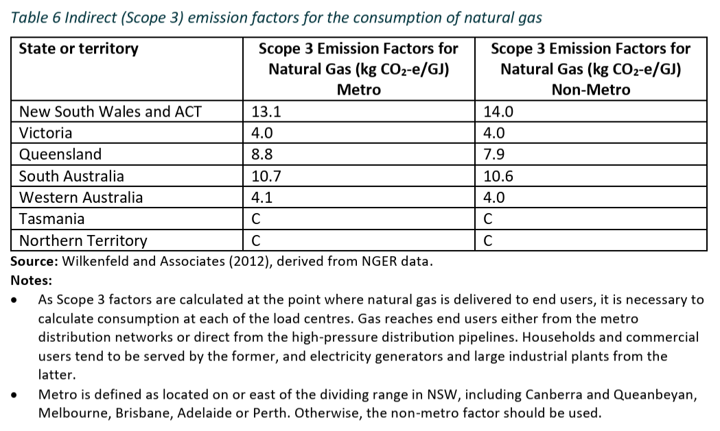
 |  |  |  |  |  |  |  |  |  |  |  |  |  |  |  |  | Marine fuel oil (MFO) | litres
Table 6 Indirect (Scope 3) emission factors for the consumption of natural gas |  |  |  |  |  |  |  |  |  |  |  |  |  |  |  |  | Marine Gas Oil (MGO) | litres
 | Scope 3 Emission Factors for Natural Gas | Scope 3 Emission Factors for Natural Gas |  |  |  |  |  |  |  |  |  |  |  |  |  |  | Other biofuels | litres
State or Territory | (kg CO2-e/GJ) Metro | (kg CO2-e/GJ) Non-Metro |  |  |  |  |  |  |  |  |  |  |  |  |  |  | Renewable diesel | litres
NSW | 13.1 | 14 |  |  |  |  |  |  |  |  |  |  |  |  | Stationary fuel types |  | Ultra Low Sulphur Fuel Oil (ULSFO) | litres
ACT | 13.1 | 14 |  |  |  |  |  |  |  |  |  |  |  |  | None |  | Very Low Sulphur Fuel Oil (VLSFO) | litres
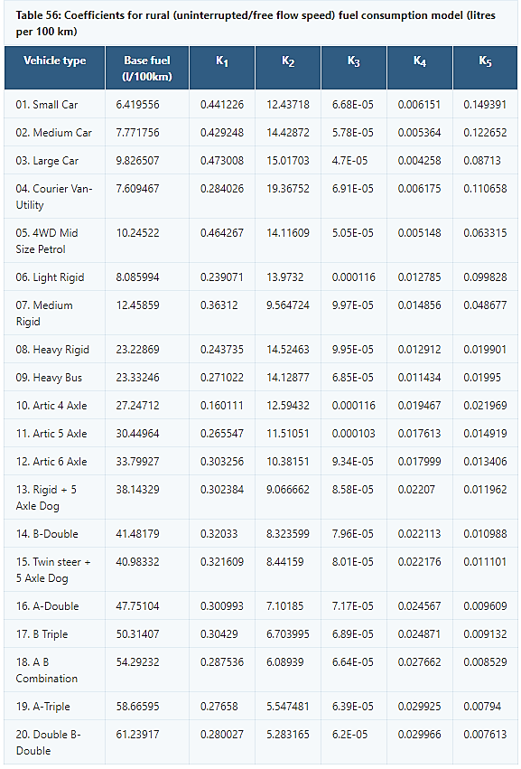
Vic | 4 | 4 |  |  |  |  |  |  |  |  |  |  |  |  | Petrol |  | Natural Gas | Mj
QLD | 8.8 | 7.9 |  |  |  |  |  |  |  |  |  |  |  |  | Diesel
SA | 10.7 | 10.6 |  |  |  |  |  |  |  |  |  |  |  |  | Liquefied petroleum gas (LPG) |  | Road vehicle fuel types
SW WA | 4.1 | 4 |  |  |  |  |  |  |  |  |  |  |  |  | Ethanol |  | Petrol
NW WA | 4.1 | 4 |  |  |  |  |  |  |  |  |  |  |  |  | Biodiesel |  | Diesel
TAS | 0 | 0 |  |  |  |  |  |  |  |  |  |  |  |  | Renewable diesel |  | Liquefied petroleum gas (LPG)
NT | 0 | 0 |  |  |  |  |  |  |  |  |  |  |  |  | Other biofuels |  | Fuel oil
NSW | 13.1 |  |  |  |  |  |  |  |  |  |  |  |  |  | Liquified natural gas (LNG) |  | Ethanol
 |  |  |  |  |  |  |  |  |  |  |  |  |  |  | Natural Gas |  | Biodiesel
 |  |  |  |  |  |  |  |  |  |  |  |  |  |  |  |  | Renewable diesel
 |  |  |  |  |  |  |  |  |  |  |  |  |  |  |  |  | Other biofuels
 |  |  |  |  |  |  |  |  |  |  |  |  |  |  |  |  | Liquified natural gas (LNG)
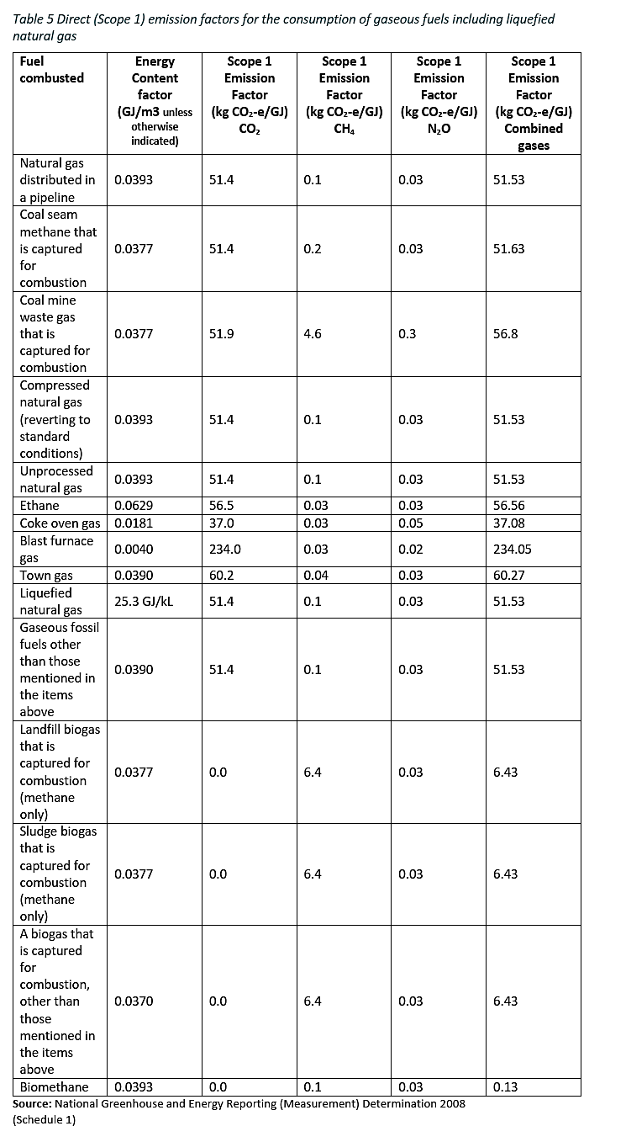

 |  |  |  |  |  |  |  |  |  |  |  |  |  |  |  |  | Table 56. Coefficients for Rural fuel consumption model (litres per 1 Km)
 |  |  |  |  |  |  |  |  |  |  |  |  |  |  |  |  | Vehicle Type | Base Fuel (fuel Litre/ 1 km) | Conversion Factor
 |  |  |  |  |  |  |  |  |  |  |  |  |  |  |  |  | None | 0 | 100
 |  |  |  |  |  |  |  |  |  |  |  |  |  |  |  |  | Small Car | 0.06419556
 |  |  |  |  |  |  |  |  |  |  |  |  |  |  |  |  | Medium Car | 0.07771756
 |  |  |  |  |  |  |  |  |  |  |  |  |  |  |  |  | Large Car | 0.09826507
 |  |  |  |  |  |  |  |  |  |  |  |  |  |  |  |  | Courier Van-Utility | 0.07609467
 |  |  |  |  |  |  |  |  |  |  |  |  |  |  |  |  | 4WD Mid Size | 0.1024522
 |  |  |  |  |  |  |  |  |  |  |  |  |  |  |  |  | Light Rigid | 0.08085994
 |  |  |  |  |  |  |  |  |  |  |  |  |  |  |  |  | Medium Rigid | 0.1245859
 |  |  |  |  |  |  |  |  |  |  |  |  |  |  |  |  | Heavy Rigid | 0.2322869
 |  |  |  |  |  |  |  |  |  |  |  |  |  |  |  |  | Heavy Bus | 0.2333246

 |  |  |  |  |  |  |  |  |  |  |  |  |  |  |  |  | Marine vehicle fuel types | Tonnes to litres |  |  |  | LPG density kg/l (D) | 0.51 |  | 1 litre = 0.75 kg | https://en.wikipedia.org/wiki/Liquefied_petroleum_gas
 |  |  |  |  |  |  |  |  |  |  |  |  |  |  |  |  | Petrol | 1333 |  |  |  | Density in tonnes equation T = D/1000 | 0.00051 |  | 1 litre = 0.00075 tonnes
 |  |  |  |  |  |  |  |  |  |  |  |  |  |  |  |  | Diesel | 1176 |  |  | Tonnes to Litres equation L = C*Ft where L is Litres consumed per day, C is conumption in tonnes per day, F is the conversion factor of tonnes per litre and t is the type of fuel | Tonnes to litres equation F = 1/(T*1000)*1000 | 1960.7843137 |  | 1 tonne = 1,960.78 litres
 |  |  |  |  |  |  |  |  |  |  |  |  |  |  |  |  | Liquefied petroleum gas (LPG) | 1961
 |  |  |  |  |  |  |  |  |  |  |  |  |  |  |  |  | Fuel oil | 1176 |  |  |  | Ethanol density kg/l (D) | 0.79 |  | 1 litre = 0.75 kg | https://www.iea-amf.org/content/fuel_information/fuel_info_home/ethanol/e10/ethanol_properties#:~:text=Density%20of%20ethanol%20is%200.79,fuel%20economy%20to%20some%20extent.
 |  |  |  |  |  |  |  |  |  |  |  |  |  |  |  |  | Ethanol | 1266 |  |  |  | Density in tonnes equation T = D/1000 | 0.00079 |  | 1 litre = 0.00075 tonnes
 |  |  |  |  |  |  |  |  |  |  |  |  |  |  |  |  | Biodiesel | 1176 |  |  |  | Tonnes to litres equation F = 1/(T*1000)*1000 | 1265.8227848 |  | 1 tonne = 1,265.82 litres
 |  |  |  |  |  |  |  |  |  |  |  |  |  |  |  |  | Renewable diesel | 1176
 |  |  |  |  |  |  |  |  |  |  |  |  |  |  |  |  | Other biofuels | 1333
 |  |  |  |  |  |  |  |  |  |  |  |  |  |  |  |  | Liquified natural gas (LNG) | 1961 |  |  |  | Petrol density kg/l (D) | 0.75 |  | 1 litre = 0.75 kg | https://www.sciencedirect.com/topics/engineering/diesel-fuel#:~:text=2.3.&text=The%20density%20of%20petroleum%20diesel,0.70%E2%80%930.75%20kg%2Fl.
 |  |  |  |  |  |  |  |  |  |  |  |  |  |  |  |  |  |  |  |  |  | Density in tonnes equation T = D/1000 | 0.00075 |  | 1 litre = 0.00075 tonnes
 |  |  |  |  |  |  |  |  |  |  |  |  |  |  |  |  | Marine vehicle types | Fuel consumption tonne/day (at full power) |  |  |  | Tonnes to litres equation F = 1/(T*1000)*1000 | 1333.3333333 |  | 1 tonne = 1,333.33 litres
 |  |  |  |  |  |  |  |  |  |  |  |  |  |  |  |  | https://www.ipcc-nggip.iges.or.jp/public/2006gl/pdf/2_Volume2/V2_3_Ch3_Mobile_Combustion.pdf | Source: Techne (1997)

 |  |  |  |  |  |  |  |  |  |  |  |  |  |  |  |  | Small commercial fishing boat | 5.5 | Table 8.6 "Fishing" |  |  | Diesel density kg/l (D) | 0.85 |  | 1 litre = 0.75 kg | https://www.sciencedirect.com/topics/engineering/diesel-fuel#:~:text=2.3.&text=The%20density%20of%20petroleum%20diesel,0.70%E2%80%930.75%20kg%2Fl.
 |  |  |  |  |  |  |  |  |  |  |  |  |  |  |  |  | Commercial fishing ship | 32.8 | Table 8.6 "All ships" |  |  | Density in tonnes equation T = D/1000 | 0.00085 |  | 1 litre = 0.00075 tonnes
 |  |  |  |  |  |  |  |  |  |  |  |  |  |  |  |  | General cargo ship | 21.3 | Table 8.6 "General cargo" |  |  | Tonnes to litres equation F = 1/(T*1000)*1000 | 1176.4705882 |  | 1 tonne = 1,176.47 litres

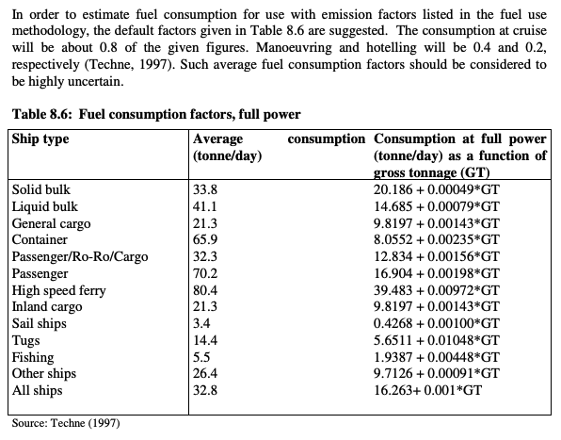
 |  |  |  |  |  |  |  |  |  |  |  |  |  |  |  |  | Manoeuvring and hotelling | 0.3
 |  |  |  |  |  |  |  |  |  |  |  |  |  |  |  |  | Cruising | 0.8

 |  |  |  |  |  |  |  |  |  |  |  |  |  |  |  |  | Light aviation fuel types
 |  |  |  |  |  |  |  |  |  |  |  |  |  |  |  |  | https://www.dcceew.gov.au/sites/default/files/documents/national-greenhouse-account-factors-2023.pdf

 |  |  |  |  |  |  |  |  |  |  |  |  |  |  |  |  | Avgas
 |  |  |  |  |  |  |  |  |  |  |  |  |  |  |  |  | Jet A-1
 |  |  |  |  |  |  |  |  |  |  |  |  |  |  |  |  | Jet B
 |  |  |  |  |  |  |  |  |  |  |  |  |  |  |  |  | Liquified natural gas (LNG)
 |  |  |  |  |  |  |  |  |  |  |  |  |  |  |  |  | Other biofuels

 |  |  |  |  |  |  |  |  |  |  |  |  |  |  |  |  | Light aircraft types | Fuel consumption per hour

 |  |  |  |  |  |  |  |  |  |  |  |  |  |  |  |  | Fixed wing: TO weight < 4 t
 |  |  |  |  |  |  |  |  |  |  |  |  |  |  |  |  | Fixed wing: TO weight 4 to 6 t
 |  |  |  |  |  |  |  |  |  |  |  |  |  |  |  |  | Fixed wing: TO weight > 6 t
 |  |  |  |  |  |  |  |  |  |  |  |  |  |  |  |  | Helicopter

 |  |  |  |  |  |  |  |  |  |  |  |  |  |  |  |  | Both Fisheries and Aquaculture Tools | Source: EUROPEAN CHEMICAL TRANSPORT ASSOCIATION, European Chemical Industry Council, CTA-CEFIC-GUIDELINE-FOR-MEASURING-AND-MANAGING-CO2.
 |  |  |  |  |  |  |  |  |  |  |  |  |  |  |  |  | Transport in truck | 0.079875 | kg/tonne-km
 |  |  |  |  |  |  |  |  |  |  |  |  |  |  |  |  | Rail | 0.038 | kg/tonne-km
 |  |  |  |  |  |  |  |  |  |  |  |  |  |  |  |  | Long haul flight | 0.633 | kg/tonne-km
 |  |  |  |  |  |  |  |  |  |  |  |  |  |  |  |  | Medium haul flight | 0.8 | kg/tonne-km
 |  |  |  |  |  |  |  |  |  |  |  |  |  |  |  |  | Small container ship | 0.0135 | kg/tonne-km
 |  |  |  |  |  |  |  |  |  |  |  |  |  |  |  |  | Large container ship | 0.0115 | kg/tonne-km

 |  |  |  |  |  |  |  |  |  |  |  |  |  |  |  |  | Tractor types | Fuel consumption per hour

 |  |  |  |  |  |  |  |  |  |  |  |  |  |  |  |  | Sub compact
 |  |  |  |  |  |  |  |  |  |  |  |  |  |  |  |  | Compact
...

Waste (inc. Wastewater)
...
Other
Purchased CO2 | 0 | 0 | 0 | 0
t CO2-e = emissions measured in CO2-e tonnes | 0 | 0 | 0 | 0 | 0

Wastewater factors |  | References
F Sludge % | 0.15 | NGA Factors (2021)
Emission Factor (kg CO2e/kg COD) | 7.056 | NGA Factors (2013), adjusted for CH4 28
Methane Production (kg CH4/kg COD) | 0.65 | NGER Tech Guide (2013)
Flare emission factor (kg CO2e/m3 CH4) | 0.0079042284977 | NGA Factors (2013) Natural gas, no CO2
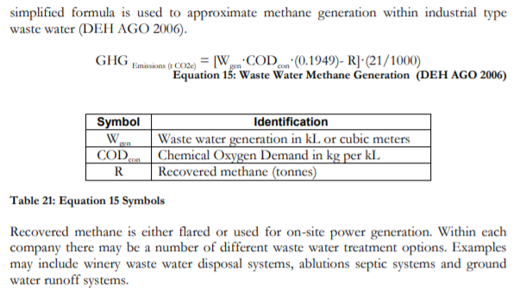

Miscellaneous
Purchased CO2 EF | 1000 | kg/t
Composting EF | 0.046 | t/t CH4 and N2O combined. NGA factors (2023)
Compost bulk density | 0.9 | t/m3 (Patti 2004, 'Characterization of grape marc')
Municipal Solid Waste | 1.6 | Scope 3 t CO2-e/t

